Planilha1
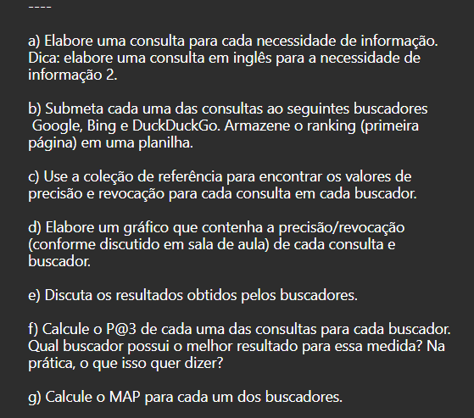
q1 | top 10 maiores bilheterias de todos os tempos
 | Google |  | Duck Duck Go |  | bing
rank | doc | url | doc | url | doc | url
1 | d1 | https://cineclick.uol.com.br/listas/as-10-maiores-bilheterias-de-todos-os-tempos | d4 | https://www.tecmundo.com.br/cultura-geek/210429-10-maiores-bilheterias-todos-tempos-cinema.htm | d11 | https://www.jornadageek.com.br/maiores-bilheterias-do-cinema/#:~:text=Confira%20a%20lista%20do%20TOP%2010%20de%20maiores,US%24%202.790%20bilh%C3%B5es%3B%20Titanic%20%E2%80%93%20US%24%202.196%20bilh%C3%B5es%3B
2 | d2 | https://www.omelete.com.br/filmes/10-maiores-bilheterias-globais-da-historia | d3 | https://forbes.com.br/forbeslife/2021/04/blockbuster-as-10-maiores-bilheterias-de-todos-os-tempos/ | d4 | https://www.tecmundo.com.br/cultura-geek/210429-10-maiores-bilheterias-todos-tempos-cinema.htm
3 | d3 | https://forbes.com.br/forbeslife/2021/04/blockbuster-as-10-maiores-bilheterias-de-todos-os-tempos/ | d5 | https://pt.wikipedia.org/wiki/Lista_de_filmes_de_maior_bilheteria | d3 | https://forbes.com.br/forbeslife/2021/04/blockbuster-as-10-maiores-bilheterias-de-todos-os-tempos/
4 | d4 | https://www.tecmundo.com.br/cultura-geek/210429-10-maiores-bilheterias-todos-tempos-cinema.htm | d1 | https://cineclick.uol.com.br/listas/as-10-maiores-bilheterias-de-todos-os-tempos | d5 | https://pt.wikipedia.org/wiki/Lista_de_filmes_de_maior_bilheteria
5 | d5 | https://pt.wikipedia.org/wiki/Lista_de_filmes_de_maior_bilheteria | d11 | https://www.jornadageek.com.br/maiores-bilheterias-do-cinema/ | d1 | https://cineclick.uol.com.br/listas/as-10-maiores-bilheterias-de-todos-os-tempos
6 | d6 | http://www.henancius.com/henancius/top100.html | d12 | https://mundotop10.com/maiores-bilheterias/
7 | d7 | http://www.henancius.com/henancius/top50usa.html | d13 | https://www.rankings.com.br/maiores-bilheterias/
8 | d8 | https://hollywoodforevertv.com.br/noticias/top-10/maiores-bilheterias-de-todos-os-tempos-da-pior-melhor.phtml | d14 | https://filmow.com/listas/top-20-maiores-bilheterias-de-todos-os-tempos-l706/
9 | d9 | https://tecnoblog.net/meiobit/421038/as-10-maiores-bilheterias-do-cinema-de-todos-os-tempos/ | d15 | https://nerdpai.com/conhece-as-10-maiores-bilheterias-de-todos-os-tempos/
10 | d10 | https://tecmasters.com.br/10-filmes-lideres-bilheteria-cinemas-do-mundo/ | d16 | https://pt.hunterschool.org/top-10s/10-biggest-all-time-blockbusters-bollywood
 | P@3 | 0.66666666667 | P@3 | 0.33333333333 | P@3 | 0
 | MAP |  | MAP |  | MAP

revoc prec q1
q1 | top 10 maiores bilheterias de todos os tempos
 | Google |  | Duck Duck Go |  | bing
 | Revocação | Precisão | Revocação | Precisão | Revocação | Precisão
 | 33% | 100% | 33% | 33% | 33% | 25%
 | 67% | 100% | 67% | 50% | 67% | 40%
 | 100% | 60% | 100% | 0% | 100% | 0%
 |  | 0.86666666667 |  | 0.27777777778 |  | 0.21666666667

q2 | top 10 maiores bilheterias de todos os tempos
 | Google |  | Duck Duck Go |  | bing
 | Revocação | Precisão | Revocação | Precisão | Revocação | Precisão
 | 33% | 100% | 33% | 33% | 33% | 25%
 | 67% | 100% | 67% | 50% | 67% | 40%
 | 100% | 60% | 100% | 0% | 100% | 0%
 |  | 0.86666666667

revoc prec q2
q2 | The Most Emmy Award-Winning TV Shows of All Time
 | Google |  | Duck Duck Go |  | bing
 | Revocação | Precisão | Revocação | Precisão | Revocação | Precisão
 | 33% | 50% | 33% | 20% | 33% | 33%
 | 67% | 50% | 67% | 13% | 67% | 29%
 | 100% | 30% | 100% | 0% | 100% | 0%
 |  | 0.43333333333 |  | 0.10833333333 |  | 0.20634920635

 |  |  |  |  |  |  |  | Google | Duck Duck Go | bing
 |  |  |  |  |  |  | MAP | 0.65 | 0.19305555556 | 0.21150793651

